Ground Theory
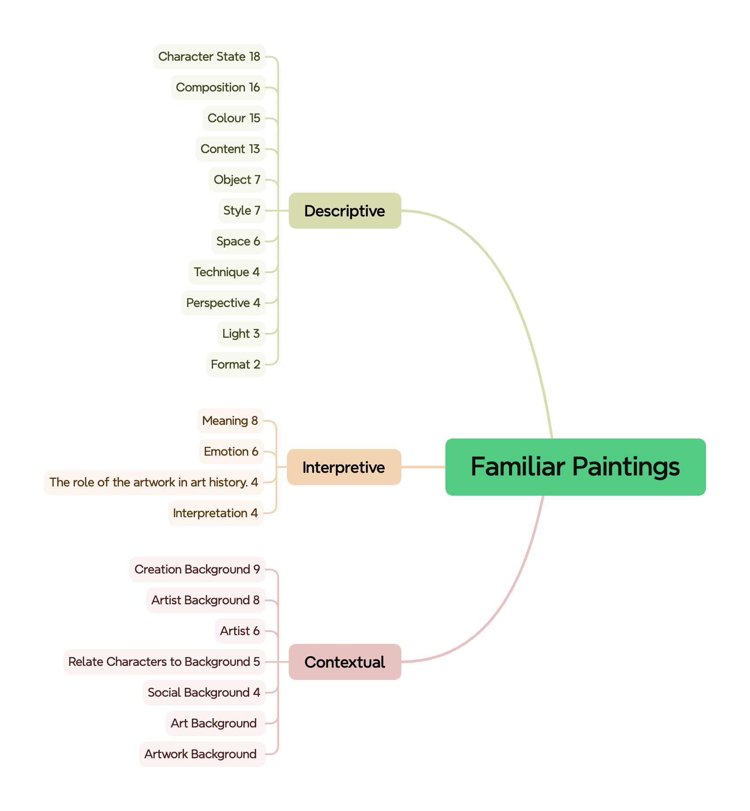
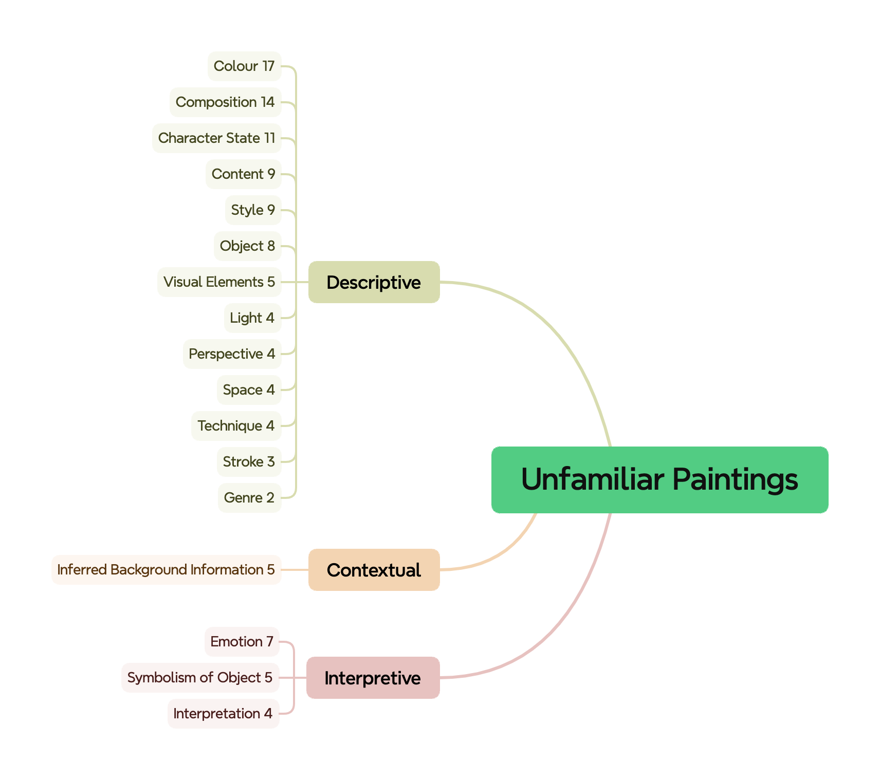
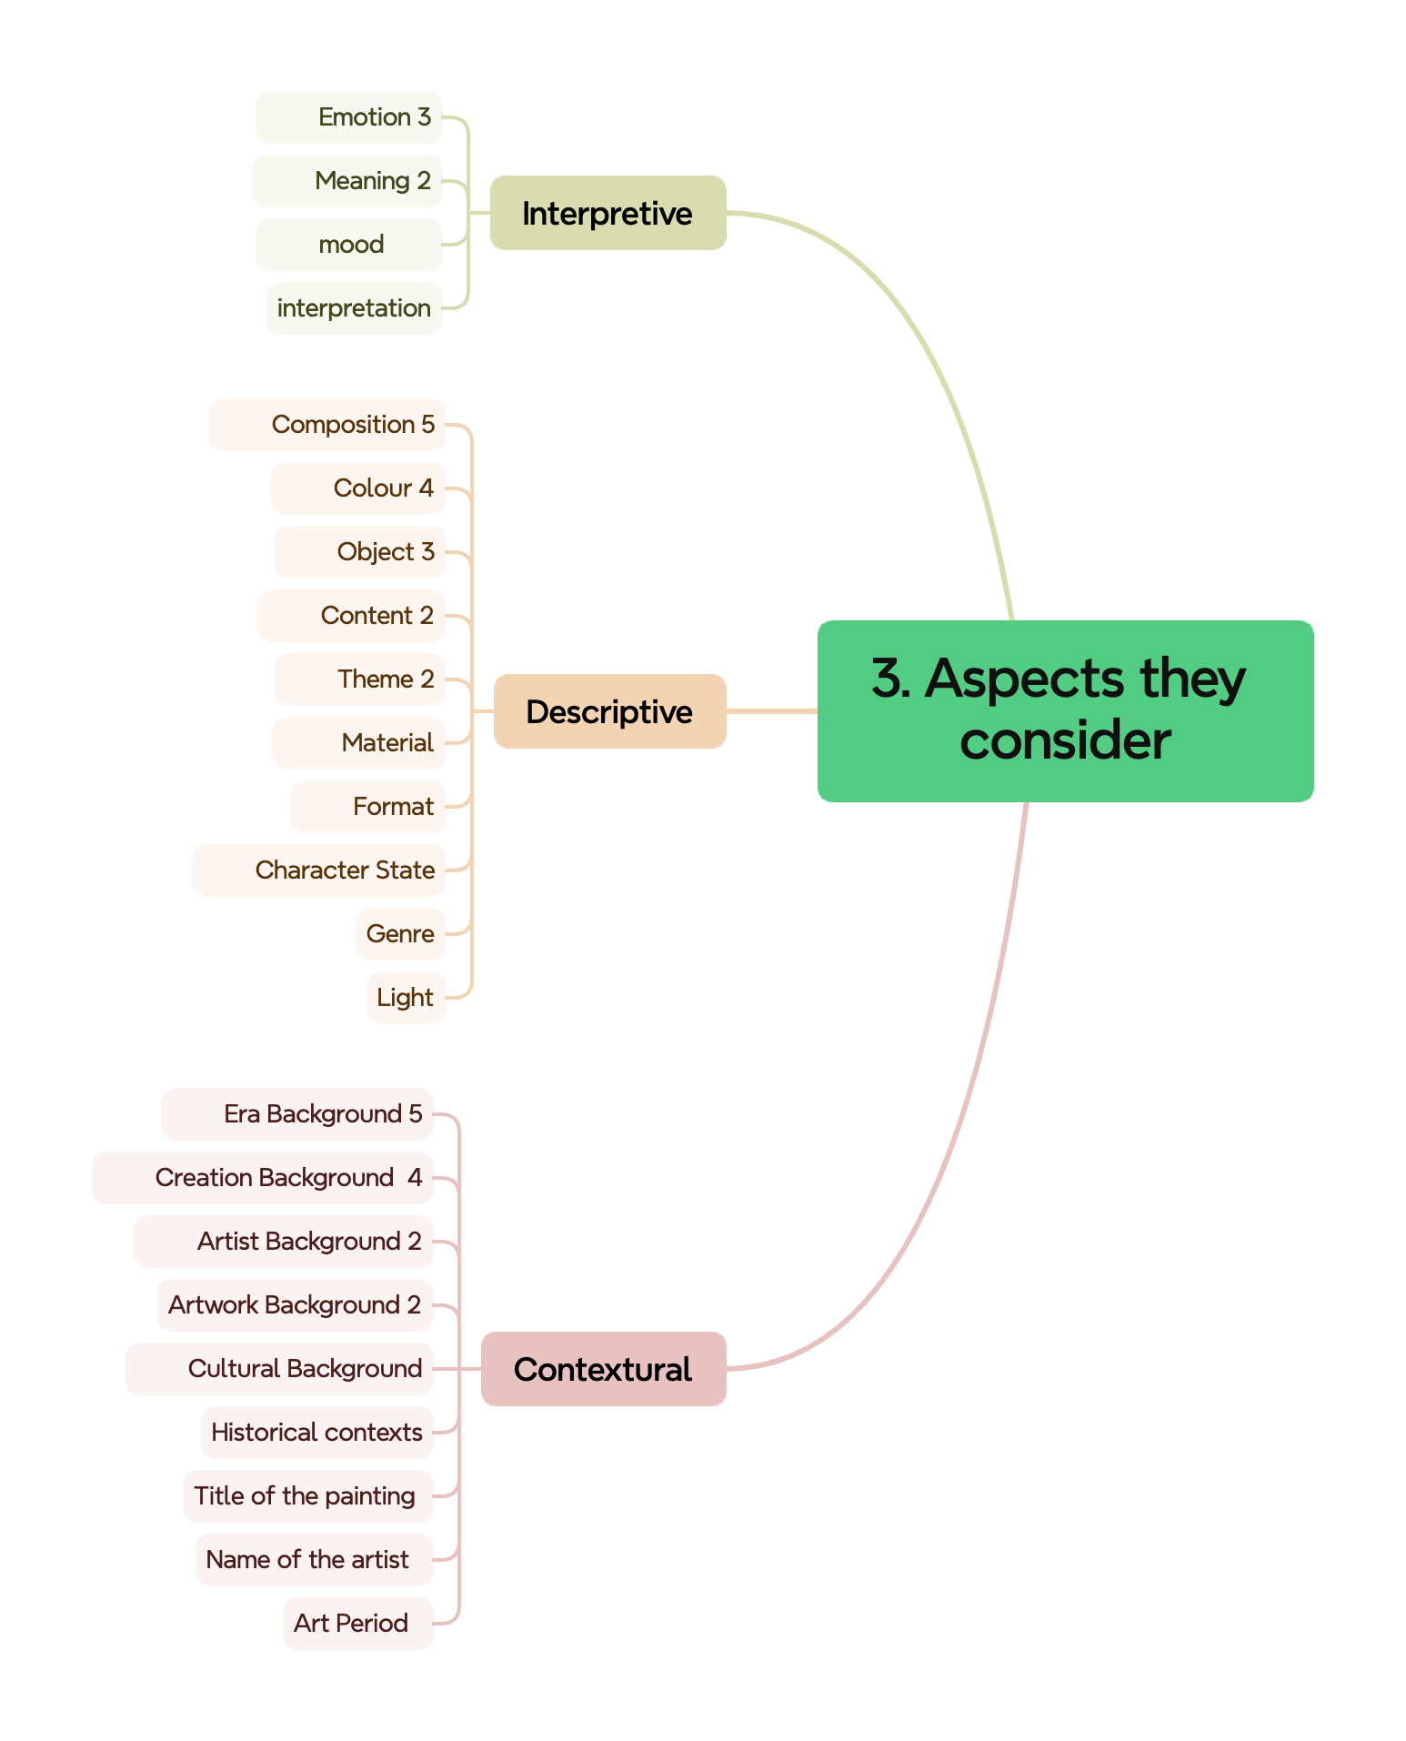
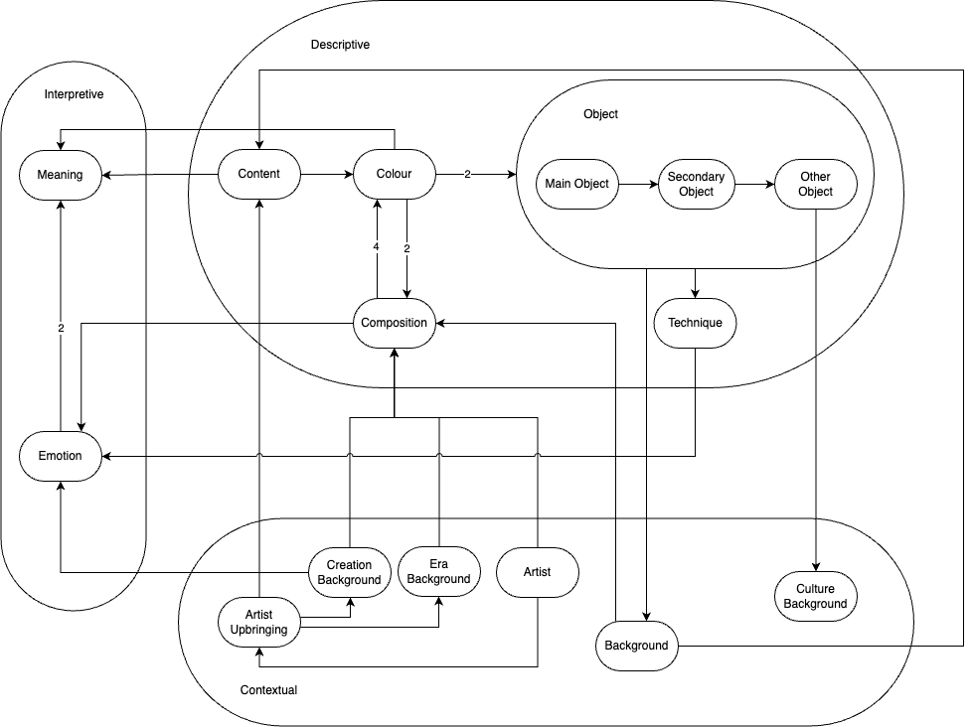
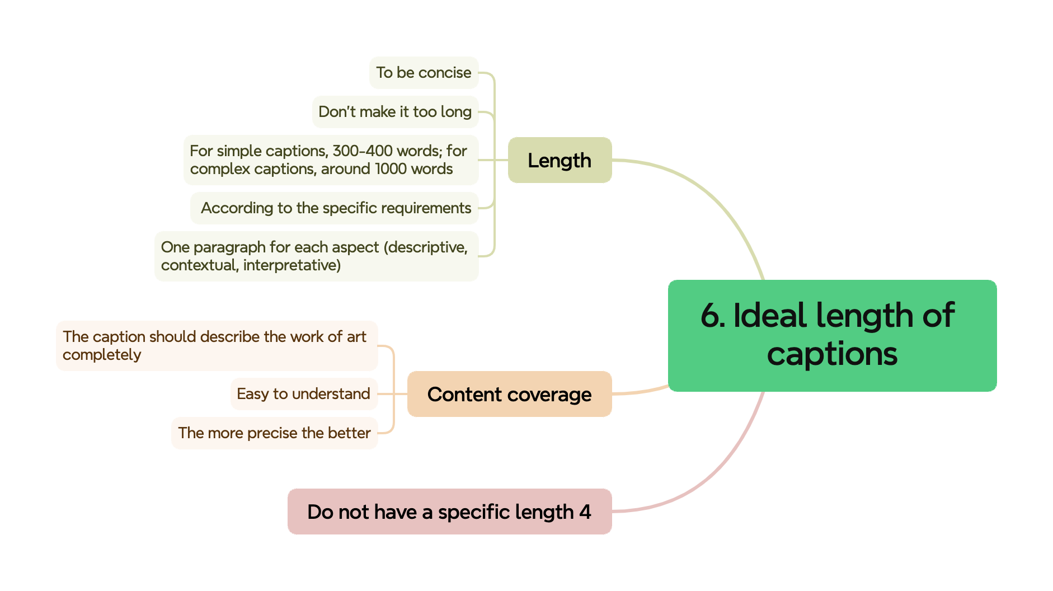
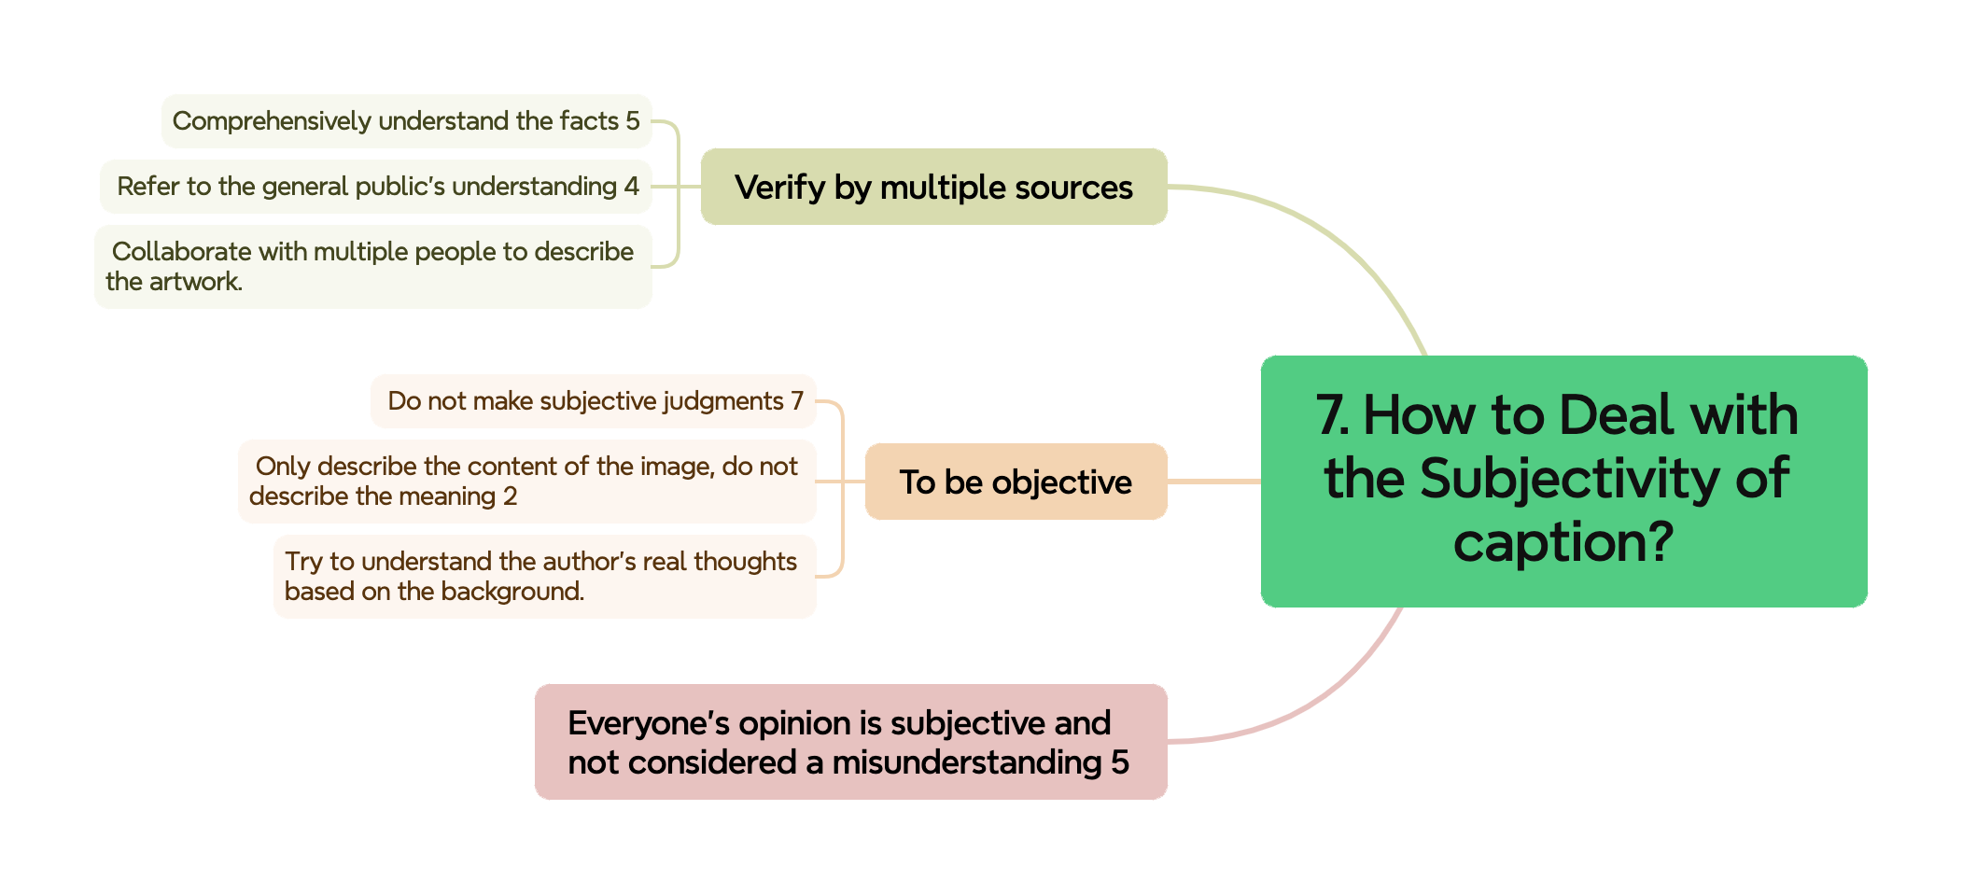
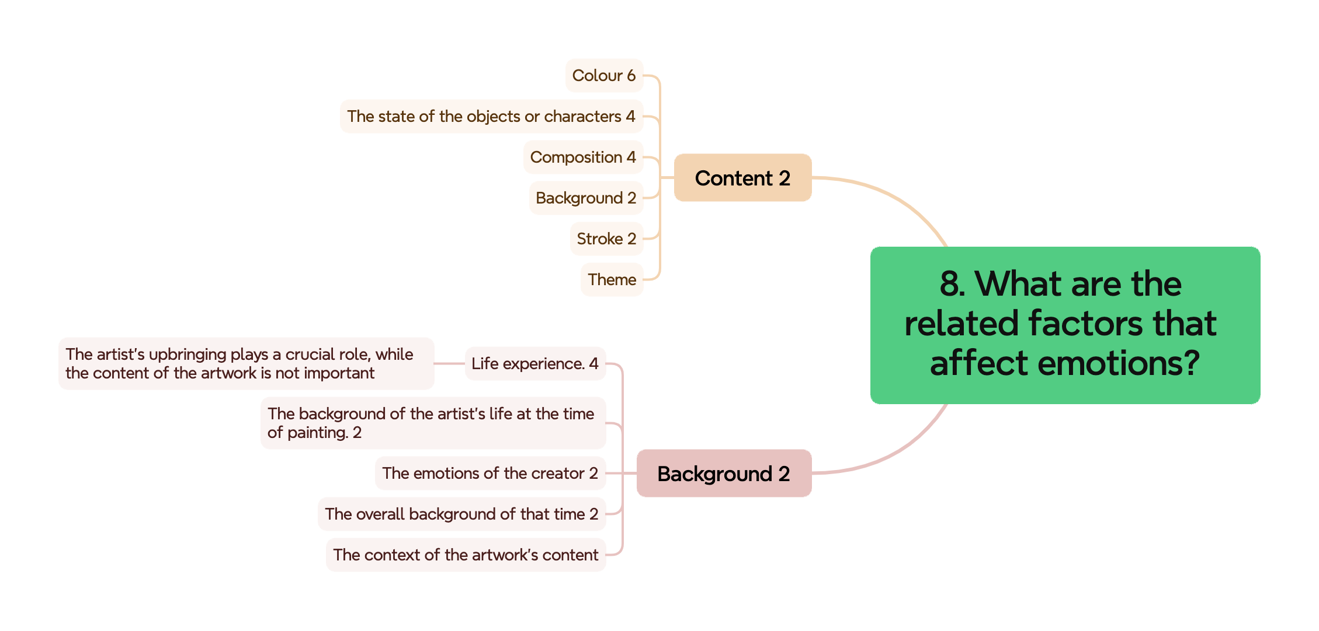
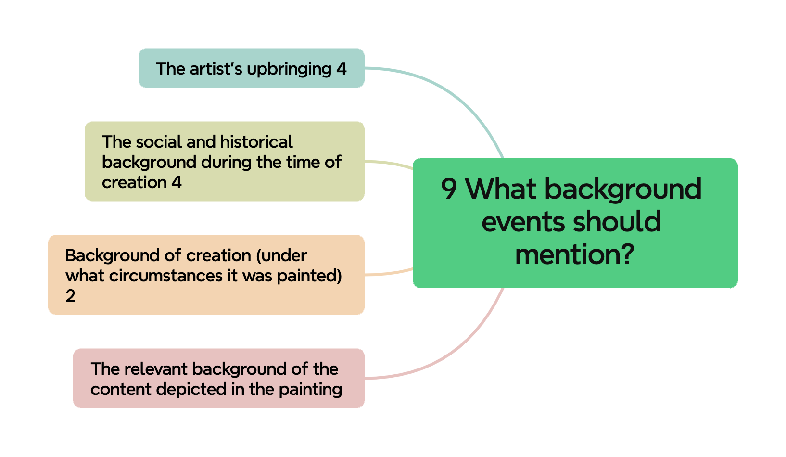
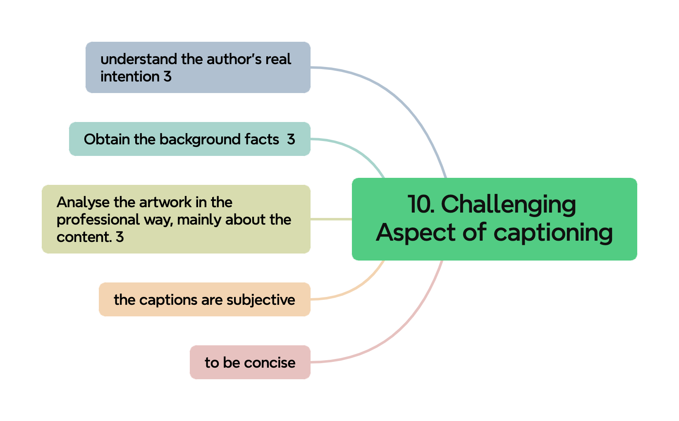
Questions | Results
1. Their description | Please see figure Familiar Paintings and Unfamiliar Paintings
2. What they think about classification
3. Aspects they will consider | Please see figure Aspects they consider
4. Order of aspects | Please see the flow chart
5. Importance of these aspects | Please see the sheet "importance of different aspects"
6. The ideal length of the caption | Please see figure ideal length of captions
7. How to Deal with the Subjectivity of Captions | Please see figure How to deal with the subjectivity of caption
8. What are the related factors that affect emotions? | Please see figure 8. What are the related factors that affect emotions?
9. What background events should mention? | Please see figure 9. What background events should mention?
10. What aspects are more challenging? | Please see figure Challenging aspects of captioning
11. The feedback of our ontology example

For each question, we analyse it through a suitable way. For most of the question, we use Ground Theory, which is used to analyse the interview and find the key points from the interview, to analyse their opinions through their answers. For the order of aspects, we create a flow chart to present the flow they mentioned. And for the importance of these aspects, we create a table to represent the rank of each element, and then using the Kendall's W metric to calculate if the rank is consistent among all participants.

